Sheet1
WA5VJB Cheap Yagi design |  | Note: Use this document to calculate lengths for 420 through 450 only, refer to PDF for other bands |  |  |  |  |  |  | v003

Antenna from Article | RefLen | DrivenLen | 1stDirLen | 2ndDirLen | 3rdDirLen | 4thDirLen |  | Reference Frequency
432mhz | 13.5 | 13 | 12.5 | 12 | 12 | 11 | inches | 432.00
 | RefSpacing | DrivenSpace | 1stSpace | 2ndSpace | 3rdSpace | 4thSpace
 | 0 | 2.5 | 5.5 | 11.25 | 17.5 | 24 | inches
 |  |  |  |  |  |  |  | Ratio to new frequency
New antenna frequency-> | 449 | <<== change only this # to get numbers for your new antenna |  |  |  |  |  | 0.96213808463
New antenna Results | 12.99 | 12.51 | 12.03 | 11.55 | 11.55 | 10.58 | inches
 | 0 | 2.4 | 5.3 | 10.8 | 16.8 | 23.1 | inches

 | driven element width BB | 12.51 | inches
 | driven element on 1 side AA | 6.00 | inches
 | driven total wire length | 19.51 | inches

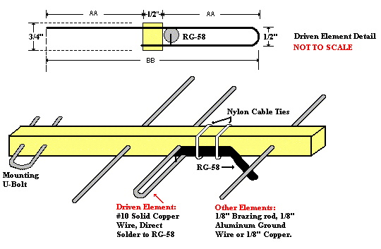

Warning: Do not attempt to construct for frequencies below 10Mhz.

